B&H

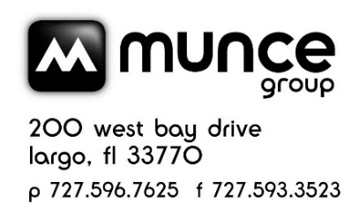
 |  | B&H PUBLISHING GROUP 2 DAY SALE EVENT - NOV 2021 CATALOG POST SALE CREDIT

ISBN | Product |  | SRP | Sale Price | Post Sale Credit | # Sold | Amount to be reported | Notes
9781087740515 | Grace Upon Grace Journaling Devotional |  | $14.99 | $8.99 | $2.10 |  | 0 | Munce will collect and report to B&H. B&H will issue credit to individual store accounts.

 |  |  |  |  |  | TOTAL | $-

Store #
Store Name |  |  |  |  |  |  |  | Email to: service@munce.com
Contact Name |  |  |  |  |  |  |  | Fax to: 855-815-9277
Address |  |  |  |  |  |  |  | Must be received before: 1/15/2022
Address |  |  |  |  |  |  |  | Call 800-868-4388 x116 w/questions
City |  |  | State: | Zip:

Baker
Munce Group 2021 Two Day Sale
November 2021 Two Day Sale Redemption Form
Qty | ISBN | Title | Retail | Sale Price | Retail $$ Lost | Baker/Bethany Reimbursement

 | 9780764237034 | The Bible Recap | $24.97 | $14.99 | $9.98 | $-
 |  | Use this redemption form to reclaim your margin by receiving a complimentary book(s) of your choice at retail value (SR books are exempt). To redeem, fill out the form below.
 |  | Total Redemption Value | (Quantity X Retail $$ Lost) |  |  | $-

Use the "Total Redemption Value" to order any product from Baker Publishing Group. You may use the lines below or attach your PO to this form. The total retail value should not exceed the "Total Redemption Value" by more than $2.00. The replacement books are free (100% discount).

Qty | ISBN | Title |  | Retail |  | Extended Value
 |  |  |  |  | (qty X price) | $-
 |  |  |  |  | (qty X price) | $-
 |  |  |  |  | (qty X price) | $-
 |  |  |  |  | (qty X price) | $-
 |  |  |  |  | (qty X price) | $-
 |  |  |  |  | (qty X price) | $-
 |  |  |  |  | (qty X price) | $-
 |  |  |  |  | (qty X price) | $-
 |  |  |  |  | (qty X price) | $-
 |  |  |  |  | (qty X price) | $-
 |  |  |  |  | (qty X price) | $-

 |  |  |  | Total Retail Value of Order |  | $-

Email: ORDERS@BAKERBOOKS.COM Fax: 1-800-398-3111
Mail: BAKER PUBLISHING GROUP
6030 EAST FULTON RD
ADA, MI 49301
SUBMIT BEFORE January 31, 2022
Orders will not be accepted after promotion deadline
Name

Address

Address

City State Zip

__________________________________________
SIGNATURE |  |  |  | Date

Capitol

 |  | CAPITOL CHRISTIAN DISTRIBUTION 2 DAY SALE EVENT - NOV 2021 CATALOG POST SALE CREDIT

Page # | ISBN | Product | SRP | Sale Price | You paid | Avail. Credit | # Sold | Amount to be reported to Capitol | Notes
 | 602507447380 | Emmanuel: Christmas Songs of Worship | $11.99 | $7.99 | $4.79 | $2.40 |  | 0

 |  |  |  |  |  |  | TOTAL | $-

Store #
Store Name |  |  |  |  |  |  |  |  | Email to: service@munce.com
Contact Name |  |  |  |  |  |  |  |  | Fax to: 855-815-9277
Address |  |  |  |  |  |  |  |  | Must be received before: 1/15/2022
Address |  |  |  |  |  |  |  |  | Call 800-868-4388 x116 w/questions
City |  |  | State: | Zip:

Harvest House
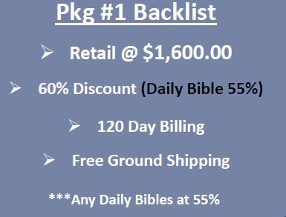
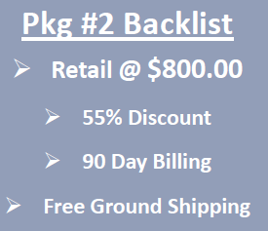

MUNCE POST-SALE CREDIT FORM | 2 DAY SALE 2021
Harvest House

 | Store Name |  |  |  | Receive up to 60% discount, FF, and a backend credit when you buy these titles along with other backlist titles direct from Harvest House or from a distributor. Report quantity sold to Munce. Credit will be issued by Harvest House to stores.
 | Contact Name
 | Address
 | City
 | State
 | Zip

Please return completed form to service@munce.com or fax to 855-815-9277 no later than January 15, 2022.

 | ISBN | Product | Retail Price | Special Sale Price | Post-Sale Credit | Units Sold | Credit Due | Margin at 60% | Margin at 55% | Margin at 50%
 | 9780736981798 | We Will Not Be Silenced | $17.99 | $8.99 | $2.70 |  | $0.00 | 44.38% | 39.93% | 30.03%
 | 9780736983549 | Christians In a Cancel Culture | $15.99 | $7.99 | $2.40 |  | $0.00 | 49.93% | 39.92% | 30.04%
 | 9780736975919 | Bondage Breaker | $17.99 | $8.99 | $2.70 |  | $0.00 | 44.38% | 39.93% | 30.03%
 | 9780736957762 | Power of a Praying Woman | $16.99 | $8.49 | $2.55 |  | $0.00 | 48.99% | 39.93% | 30.04%
 | 9780736969048 | GraceLaced | $29.99 | $14.99 | $4.00 |  | $0.00 | 46.63% | 36.62% | 26.68%
 | 9780736974929 | Beholding and Becoming | $29.99 | $14.99 | $4.00 |  | $0.00 | 46.63% | 36.62% | 26.68%
 | 9780736983815 | Mama Bear Apologetics Guide to Sexuality | $16.99 | $8.49 | $2.55 |  | $0.00 | 48.99% | 39.93% | 30.04%
 |  |  |  |  |  |  | $0.00

 | BACKLIST SPECIALS

