Capitol

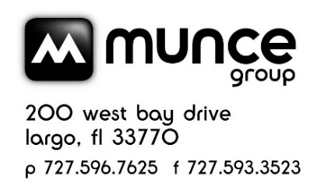
 |  | CAPITOL CHRISTIAN DISTRIBUTION Spring Catalog Error - April/May 2022 CATALOG POST SALE CREDIT

Product | Artist | UPC | SRP | Sale Price | Cost | Avail. Credit | # Sold | Amount to be reported to Munce | Notes
SoZO Playlists: Top Worship Hits v.3 | Various | 602445225903 | $9.99 | $5.00 | $5.99 | $3.00 |  | 0
The Blessing | Kari Jobe | 602557919523 | $7.99 | $5.00 | $4.79 | $1.50 |  | 0

This was an error in the catalog, you will receive a credit on your Munce account for all units sold. |  |  |  |  |  |  | TOTAL | $-

Store #
Store Name |  |  |  |  |  |  |  |  | Email to: service@munce.com
Contact Name |  |  |  |  |  |  |  |  | Fax to: 855-815-9277
Address |  |  |  |  |  |  |  |  | Must be received before: 6/15/2022
Address |  |  |  |  |  |  |  |  | Call 800-868-4388 x116 w/questions
City |  |  | State: | Zip:

