Capitol

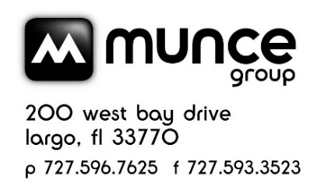
 |  | CAPITOL CHRISTIAN DISTRIBUTION COUNTDOWN CATALOG EVENT - DEC 2021 CATALOG POST SALE CREDIT

Product | Artist | UPC | SRP | Sale Price | Cost | Avail. Credit | # Sold | Amount to be reported to Capitol | Notes
Godsend | Riley Clemmons | 602435932378 | $11.99 | $7.99 | $4.79 | $2.40 |  | 0
New Creation | Mac Powell | 602438438426 | $11.99 | $7.99 | $4.79 | $2.40 |  | 0
Stand | Newsboys | 602438277674 | $11.99 | $7.99 | $4.79 | $2.40 |  | 0
When You Speak | Jeremy Camp | 602508353895 | $11.99 | $7.99 | $4.79 | $2.40 |  | 0

 |  |  |  |  |  |  | TOTAL | $-

Store #
Store Name |  |  |  |  |  |  |  |  | Email to: service@munce.com
Contact Name |  |  |  |  |  |  |  |  | Fax to: 855-815-9277
Address |  |  |  |  |  |  |  |  | Must be received before: 1/15/2022
Address |  |  |  |  |  |  |  |  | Call 800-868-4388 x116 w/questions
City |  |  | State: | Zip:

